Metadata Catelog
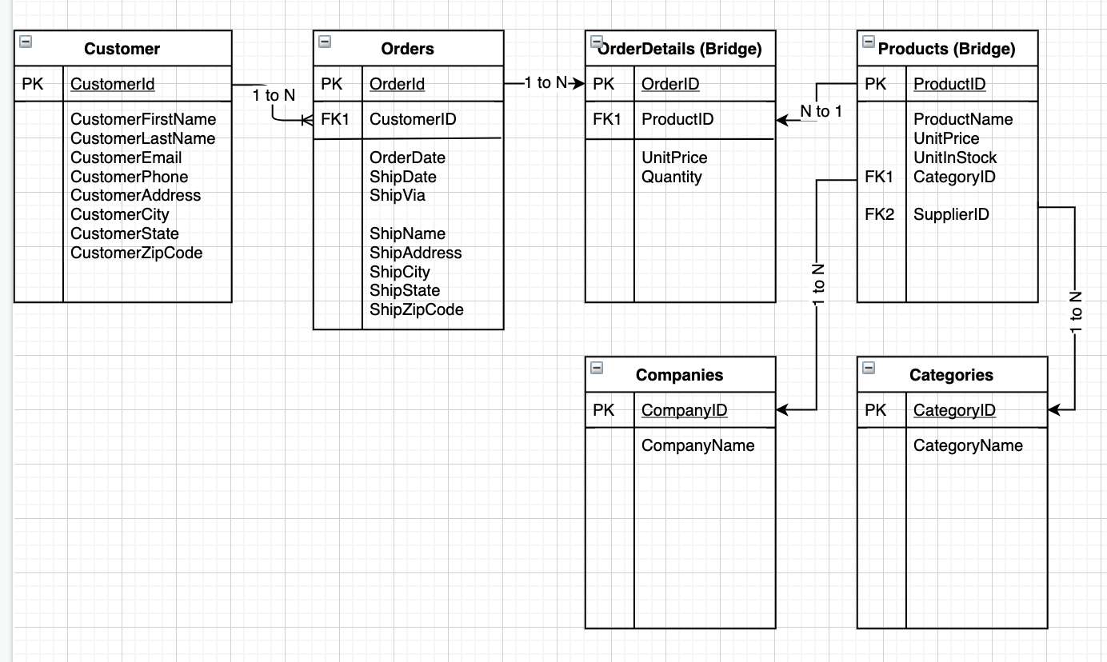
PatientAppointments Database Metadata Catalog
Data | Description | AttributeName | AttributeDataType | Entity/Table | SQLDataType | IsSqlIdentity | IsPrimaryKey | HasNull | IsForeignKey | HasUniqueConst | HasDefaultConst | HasCheckConst | Notes
Customers | Artificial Identifier (PK) | CustomerID | Integer | Customers | int | y | y | n | n | n | n | n
 | Customer Name | CustomerFirstName | Character | Customers | nVarChar(100) | n | n | n | n | n | n | n
 | Customer Name | CustomerLastName | Character | Customers | nVarChar(100) | n | n | n | n | n | n | n
 | Customer Email Address | CustomerEmail | Character | Customers | nVarChar(100) | n | n | n | n | n | n | n
 | Customer Phone Number | CustomerPhone | Character | Customers | nVarChar(100) | n | n | n | n | n | n | y | Check = Phone pattern (xxx-xxx-xxxx)
 | Customer Address | CustomerAddress | Character | Customers | nVarChar(100) | n | n | n | n | y | n | n
 | Customer Address | CustomerCity | Character | Customers | nVarChar(100) | n | n | n | n | n | n | n
 | Customer Address | CustomerState | Character | Customers | nVarChar(100) | n | n | n | n | n | n | n
 | Customer Address | CustomerZipCode | Character | Customers | nVarChar(100) | n | n | n | n | n | n | y | Check = Zip pattern (xxxxx or xxxxx-xxxx)
Orders | Artificial Identifier (PK) | OrderID | integer | Orders | int | y | y | n | n | n | n | n
 | Link to Customers (FK) | CustomerID | integer | Orders | int | n | n | n | y | n | n | n
 | Date Ordered | OrderDate | date | Orders | Date | n | n | n | n | n | y | y | Default = Todays Date, Check = before ShipDate
 | Date Shipped | ShipDate | date | Orders | Date | n | n | n | n | n | n | y | Check = after OrderDate
 | Shipped with | ShipVia | character | Orders | nVarChar(100) | n | n | n | n | n | n | n
OrderDetails(Bridge) | Link to Orders (CK) | OrderID | integer | OrderDetails | int | y | y | n | n | n | n | n
 | Link to Products (CK) | ProductID | integer | OrderDetails | int | y | y | n | n | n | n | n
 | Unit Price | UnitPrice | US dollars currency | OrderDetails | Money | n | n | n | n | n | n | n
 | Quanity ordered | Quantity | integer | OrderDetails | int | n | n | n | n | n | n | n
Products | Artificial Identifier (PK) | ProductID | integer | Products | int | y | y | n | n | n | n | n
 | Product Name | ProductName | character | Products | nvarChar(100) | n | n | n | n | n | n | n
 | Unit Price | UnitPrice | us dollars currency | Products | money | n | n | n | n | n | n | n
 | Units in Stock | UnitsInStock | integer | Products | int | n | n | n | n | n | n | n
 | Link to Categories (FK) | CategoryID | integer | Products | int | n | n | n | y | n | n | n
 | Link to Companies (FK) | CompanyID | integer | Products | int | n | n | n | y | n | n | n
 | Artificial Identifier (PK) | CategoryID | integer | Categories | int | y | y | n | n | n | n | n
 | Category Name | CategoryName | character | Categories | nVarChar(100) | n | n | n | n | n | n | n
 | Artificial Identifier (PK) | CompanyID | integer | Companies | int | y | y | n | n | n | n | n
 | Company Name | CompanyName | character | Companies | nVarChar(100) | n | n | n | n | n | n | n

